D1
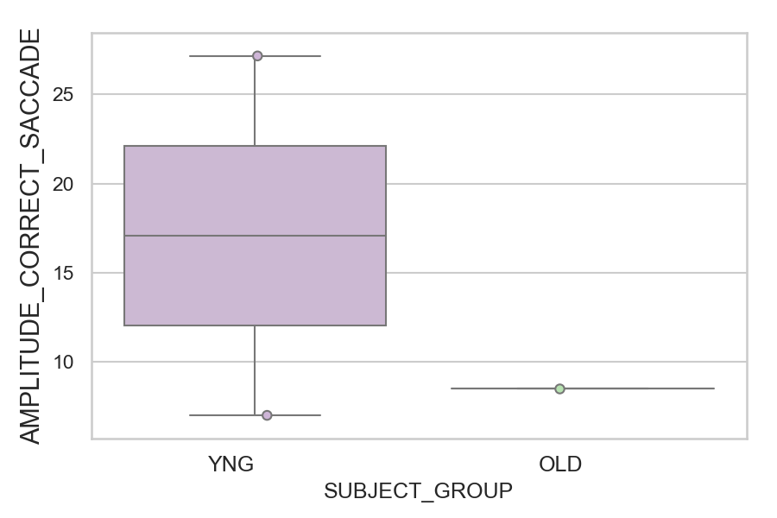
Amplitude of the correct saccade (degrees) (mean of all trials per subject)
SUBJECT_NAME | SUBJECT_GROUP | SUBJECT_AGE | VALUE
AW001CG | YNG | 19 | 27.145406794
CP001CTA | OLD | 65 | 8.5054802417
AW002AF | YNG | 19 | 7.0068483722

D1 (types)
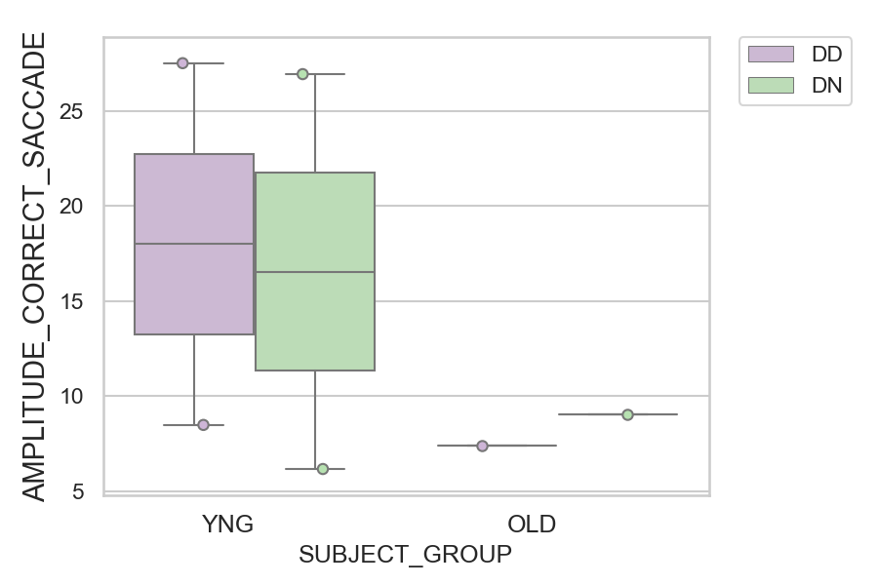
Amplitude of the correct saccade (degrees) (mean of all trials per subject)
SUBJECT_NAME | SUBJECT_GROUP | CONDITION_APPEARANCE | SUBJECT_AGE | VALUE
AW001CG | YNG | DD | 19 | 27.508035917
AW001CG | YNG | DN | 19 | 26.932095544
CP001CTA | OLD | DN | 65 | 9.0549136202
AW002AF | YNG | DD | 19 | 8.4821753616
CP001CTA | OLD | DD | 65 | 7.4066134845
AW002AF | YNG | DN | 19 | 6.1638043782

